Frontend
Frontend Test Results
Test Cases Documentation: https://docs.google.com/document/d/1NuSQRYZxOzYD_bnQdkqVg7DVVZj7jki1vekXGgvyztA/edit?usp=sharing
Test Plan: https://docs.google.com/document/d/1CDTPGxhbxfI-2U4SSZ0E3sEP2mpBUnO1zZu-wZLsumY/edit?usp=sharing
Section | Test Case | Pass/Fail | Defect Documentation | Notes | Proof of Test
User Authentication | Verify user can log in with valid credentials | Pass |  | Expected successful login | https://drive.google.com/file/d/1fCdWtITlKOzE8V94oBJOltOSOZiCzEzH/view?usp=sharing
User Authentication | Verify error message appears with invalid credentials | Pass |  | Proper error displayed | https://drive.google.com/file/d/1fCdWtITlKOzE8V94oBJOltOSOZiCzEzH/view?usp=sharing
User Authentication | Verify password input is masked | Pass |  | Characters hidden by default | https://drive.google.com/file/d/1fCdWtITlKOzE8V94oBJOltOSOZiCzEzH/view?usp=sharing
User Authentication | Verify error message when password missing | Pass |  | Error displayed | https://drive.google.com/file/d/1fCdWtITlKOzE8V94oBJOltOSOZiCzEzH/view?usp=sharing
User Authentication | Verify error message when username missing | Pass |  | Error displayed | https://drive.google.com/file/d/1fCdWtITlKOzE8V94oBJOltOSOZiCzEzH/view?usp=sharing
User Authentication | Verify error message when both username and password are missing | Pass |  | Error displayed | https://drive.google.com/file/d/1fCdWtITlKOzE8V94oBJOltOSOZiCzEzH/view?usp=sharing
User Authentication | Verify dashboard loads upon successful login | Fail | Dashboard did not render or was empty after login | Needs investigation – possibly failed API call or missing state | https://drive.google.com/file/d/1fCdWtITlKOzE8V94oBJOltOSOZiCzEzH/view?usp=sharing
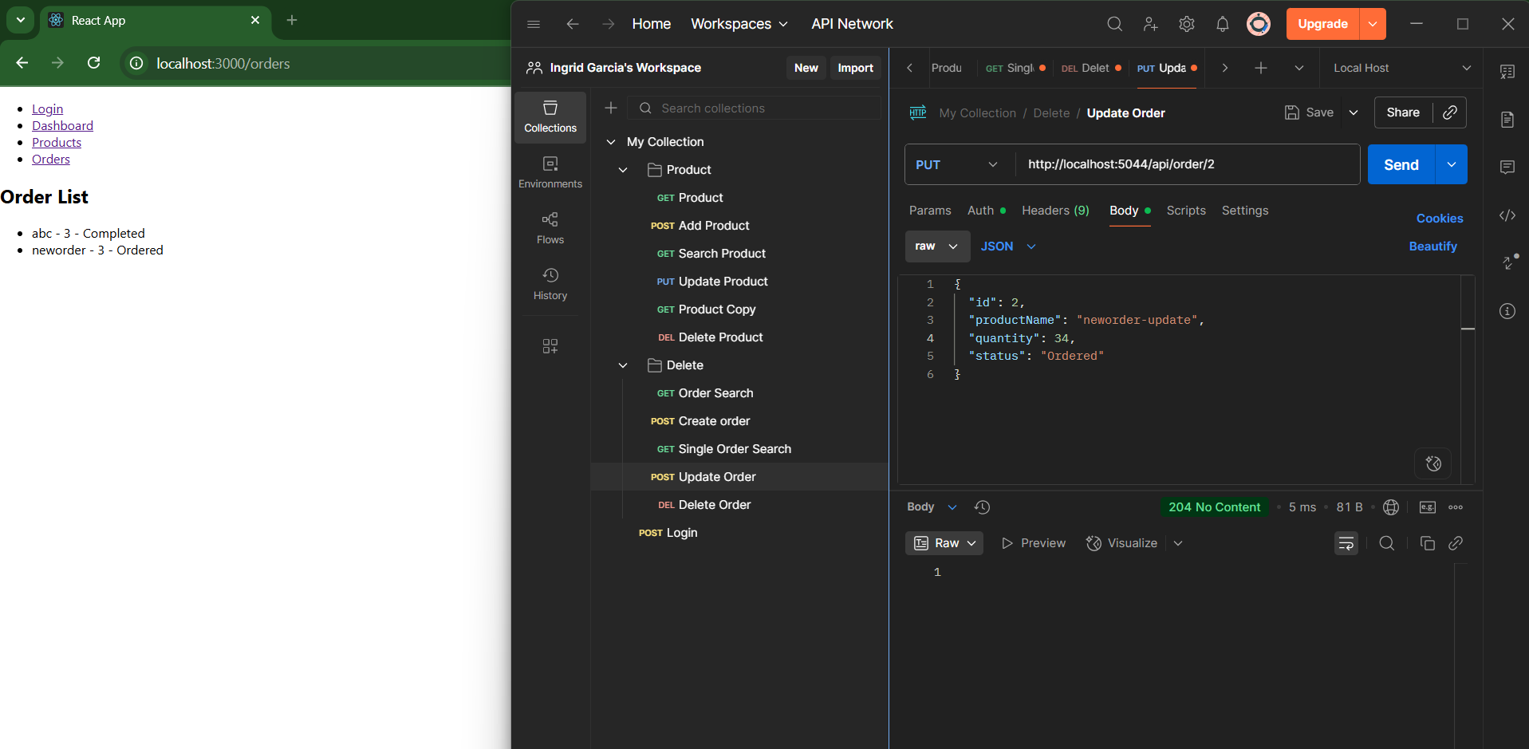
User Authentication | Check UI responsiveness of login page on different screen sizes | Pass |  | Login page responsive on mobile, tablet, and desktop | https://drive.google.com/file/d/1fCdWtITlKOzE8V94oBJOltOSOZiCzEzH/view?usp=sharing
Product Management | Verify all products are displayed correctly from backend | Pass |  | Backend data matched on UI | https://drive.google.com/file/d/1nFHU7V6TxV3d-n_nVyqYc9xuPuEP4LwN/view?usp=sharing
Product Management | Verify existing product update display correctly | Pass |  | Updated values reflected on refresh | https://drive.google.com/file/d/1nFHU7V6TxV3d-n_nVyqYc9xuPuEP4LwN/view?usp=sharing
Product Management | Verify product filtering feature | Fail | Filtering functionality is not implemented in the front-end UI. | Feature missing; user has no way to filter products as expected from requirements. | https://drive.google.com/file/d/1nFHU7V6TxV3d-n_nVyqYc9xuPuEP4LwN/view?usp=sharing
Product Management | Check responsiveness of product listing page | Pass |  | Layout adapts well to screen resizing | https://drive.google.com/file/d/1nFHU7V6TxV3d-n_nVyqYc9xuPuEP4LwN/view?usp=sharing
Product Management | Verify accessibility of product listing page | Pass |  | Includes price, name, and layout checks | https://drive.google.com/file/d/1nFHU7V6TxV3d-n_nVyqYc9xuPuEP4LwN/view?usp=sharing
Order Processing | Verify new orders display from Backend creation | Pass |  | Created via backend, appears in UI | https://drive.google.com/file/d/1t-IuFDH56gH9-JGOIL-Ca0YGkJk-n4TL/view?usp=sharing
Order Processing | Verify existing order update display correctly | Fail | Updated status not reflected | UI not reactive to order status change | https://drive.google.com/file/d/1J9ljZ5tiEuC3dKBar1jRk0SxtLS7c-om/view?usp=sharing
Order Processing | Verify a deleted order no longer appears in front-end | Pass |  | Confirmed deleted order removed from UI | https://drive.google.com/file/d/1Lq45xq_-XcbQ4gJymd2xrYK9Qau9Csoh/view?usp=sharing | screenshot
Order Processing | Check responsiveness of order page | Pass |  | Order page layout is responsive | https://drive.google.com/file/d/1Lq45xq_-XcbQ4gJymd2xrYK9Qau9Csoh/view?usp=sharing
User Authentication | Verify logout button is visible and functional | Fail | Logout button not found | User unable to log out from dashboard | https://drive.google.com/file/d/1fCdWtITlKOzE8V94oBJOltOSOZiCzEzH/view?usp=sharing

